info, structure, parameters
DTU Massebalancemodel
Sund, J. H., Lodato, C., Eriksen, M. K., and Astrup, T. F.
Department of Environmental Engineering, Technical University of Denmark, Kongens Lyngby, Denmark

Legend
 | Values that must be inputted manually (input values into these cells)
 | Values referring to manual inputs (do not input values into these cells)

Structure
Each treatment pathway provides a mass, carbon and energy balance which are divided using following colors:
 | Mass balance
 | Carbon balance
 | Energy balance

References
1 | Eriksen, M. K., Damgaard, A., Boldrin, A., and Astrup, T. F. (2019). Quality Assessment and Circularity Potential of Recovery Systems for Household Plastic Waste. Journal of Industrial Ecology, 23(1):156–168.
2 | Eriksen, M. K., Pivnenko, K., Faraca, G., Boldrin, A., and Astrup, T. F. (2020). Dynamic Material Flow Analysis of PET, PE, and PP Flows in Europe: Evaluation of the Potential for Circular Economy. Environmental Science and Technology, 54(24):16166–16175.
3 | EASETECH
4 | Bisinella, V., Hulgaard, T., Riber, C., Damgaard, A., and Christensen, T. H. (2021). Environmental assessment of carbon capture and storage (CCS) as a post-treatment technology in waste incineration. Waste Management, 128:99–113.
5 | Jeswani, H., Krüger, C., Russ, M., Horlacher, M.,Antony, F., Hann, S., and Azapagic, A. (2021). Life cycle environmental impacts of chemical recycling via pyrolysis of mixed plastic waste in comparison with mechanical recycling and energy recovery. Science of the Total Environment, 769.
6 | Civancik-Uslu et al. (2021)
7 | Marie's excel (average)
8 | Faraca, G., Martinez-Sanchez, V., Astrup, T. F. (2019). Environmental life cycle cost assessment: recycling of hard plastic waste collected at Danish recycling centres. Resources, Conservationand Recycling, 143(October 2018):299–309.
9 | Civancik-Uslu, D., Nhu, T. T., Van Gorp, B., Kreso-vic, U., Larrain, M., Billen, P., Ragaert, K., DeMeester, S., Dewulf, J., and Huysveld, S. (2021).Moving from linear to circular household plas-tic packaging in Belgium: Prospective life cycleassessment of mechanical and thermochemicalrecycling.Resources, Conservation and Recy-cling, 171(March):105633.
10 | MST/DTU Emballage statistik
11 | Shen, L., Worrell, E., and Patel, M. K. (2010). Open-loop recycling: A LCA case study ofPET bottle-to-fibre recycling. Resources, Conservation and Recycling,

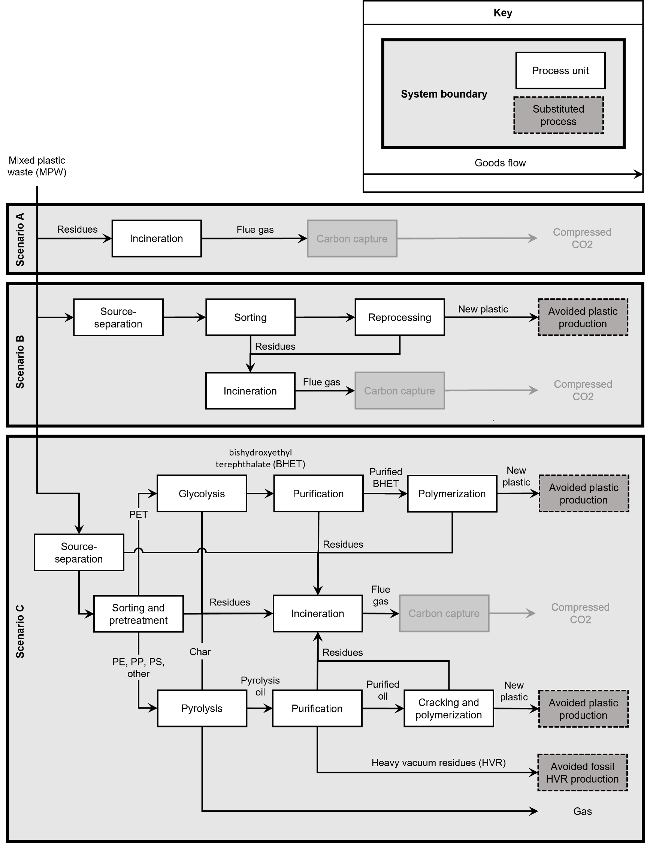
Process Diagram

Figure 1 The process diagrams of each of the three scenarios.
Note: The carbon capture processes are grey to indicate that they are considered a potential future option.

Best case / worst case
For all parameters, data for a best case and worst case has been presented (the best and worst case makes use of the min and max values respectively). Choose from the dropdown menu (press the box to the right), whether you would like the model to show the best case or worst case results: | best case

Parameters

Waste generation
Parameters | Value | Unit | Description | Reference
Total_WG | 1000 | kg ww | Total waste generation
Plastic_fraction | 1 | %ww | Share of plastic in the generated waste
Plastic_fraction_bottle | 0.3 | %ww | The bottle share of the plastic fraction | 1
Plastic_fraction_rigid | 0.2 | %ww | The rigid share of the plastic fraction | 1
Plastic_fraction_soft | 0.4 | %ww | The soft share of the plastic fraction | 1
Plastic_fraction_other | 0.1 | %ww | The other share of the plastic fraction | 1
bottle_PET | 0.23 | %ww | The PET share of the bottle fraction | 1
bottle_PE | 0.07 | %ww | The PE share of the bottle fraction | 1
bottle_PP | 0.00 | %ww | The PP share of the bottle fraction | 1
bottle_PS | 0.00 | %ww | The PS share of the bottle fraction | 1
bottle_Oth | 0.00 | %ww | The Other share of the bottle fraction | 1
rigid_PET | 0.04 | %ww | The PET share of the rigid fraction | 1
rigid_PE | 0.03 | %ww | The PE share of the rigid fraction | 1
rigid_PP | 0.07 | %ww | The PP share of the rigid fraction | 1
rigid_PS | 0.01 | %ww | The PS share of the rigid fraction | 1
rigid_Oth | 0.05 | %ww | The Other share of the rigid fraction | 1
soft_PET | 0.00 | %ww | The PET share of the soft fraction | 1
soft_PE | 0.30 | %ww | The PE share of the soft fraction | 1
soft_PP | 0.00 | %ww | The PP share of the soft fraction | 1
soft_PS | 0.00 | %ww | The PS share of the soft fraction | 1
soft_Oth | 0.10 | %ww | The Other share of the soft fraction | 1
other_PET | 0.00 | %ww | The PET share of the other fraction | 1
other_PE | 0.00 | %ww | The PE share of the other fraction | 1
other_PP | 0.00 | %ww | The PP share of the other fraction | 1
other_PS | 0.00 | %ww | The PS share of the other fraction | 1
other_Oth | 0.10 | %ww | The Other share of the other fraction | 1

Composition
Fraction name | Total Wet Weight (kg) | TS (kg) | Water (kg) | VS (kg) | Ash (kg) | LHV (MJ) | C bio (kg) | C fossil (kg) | Reference
Plastic bottles | 1 | 0.895 | 0.105 | 0.84 | 0.054595 | 32.7033 | 0.0034547 | 0.68736 | 3
Hard plastic | 1 | 0.968 | 0.032 | 0.95 | 0.021296 | 36.21288 | 0.003872 | 0.76956 | 3
Soft plastic | 1 | 0.8589 | 0.1411 | 0.82 | 0.0377916 | 34.407534 | 0.00352149 | 0.7008624 | 3
Non-recyclable plastic | 1 | 0.929 | 0.071 | 0.88 | 0.051095 | 29.69084 | 0.00329795 | 0.655874 | 3

Source-separation
Parameter | Value | Unit | Min | Max | Description | Reference
TC_bottle_PET_WG_SS | 0.90 | %ww | 0.58 | 0.9 | Transfer coefficient of bottle PET from waste generation that is source-separated | 2
TC_bottle_PE_WG_SS | 0.90 | %ww | 0.45 | 0.9 | Transfer coefficient of bottle PE from waste generation that is source-separated | 2
TC_bottle_PP_WG_SS | 0.90 | %ww | 0.45 | 0.9 | Transfer coefficient of bottle PP from waste generation that is source-separated | 2
TC_rigid_PET_WG_SS | 0.90 | %ww | 0.55 | 0.9 | Transfer coefficient of rigid PET from waste generation that is source-separated | 2
TC_rigid_PE_WG_SS | 0.90 | %ww | 0.21 | 0.9 | Transfer coefficient of rigid PE from waste generation that is source-separated | 2
TC_rigid_PP_WG_SS | 0.90 | %ww | 0.3 | 0.9 | Transfer coefficient of rigid PP from waste generation that is source-separated | 1, 2
TC_soft_PET_WG_SS | 0.90 | %ww | 0.7 | 0.9 | Transfer coefficient of soft PET from waste generation that is source-separated | 2
TC_soft_PE_WG_SS | 0.90 | %ww | 0.56 | 0.9 | Transfer coefficient of soft PE from waste generation that is source-separated | 2
TC_soft_PP_WG_SS | 0.90 | %ww | 0.7 | 0.9 | Transfer coefficient of soft PP from waste generation that is source-separated | 2

Collection and mechanical recycling
Parameter | Value | Unit | Min | Max | Description | Reference
TC_bottle_PET_SS_COL | 0.71 | %ww | 0.71 | 0.71 | Transfer coefficient of source-separated bottle PET that is collected | 2
TC_bottle_PE_SS_COL | 0.62 | %ww | 0.62 | 0.62 | Transfer coefficient of source-separated bottle PE that is collected | 2
TC_bottle_PP_SS_COL | 1.00 | %ww | 1 | 1 | Transfer coefficient of source-separated bottle PP that is collected | 2
TC_rigid_PET_SS_COL | 0.71 | %ww | 0.71 | 0.71 | Transfer coefficient of source-separated rigid PET that is collected | 2
TC_rigid_PE_SS_COL | 0.62 | %ww | 0.62 | 0.62 | Transfer coefficient of source-separated rigid PE that is collected | 2
TC_rigid_PP_SS_COL | 0.84 | %ww | 0.84 | 0.84 | Transfer coefficient of source-separated rigid PP that is collected | 2
TC_soft_PET_SS_COL | 0.71 | %ww | 0.71 | 0.71 | Transfer coefficient of source-separated soft PET that is collected | 2
TC_soft_PE_SS_COL | 0.62 | %ww | 0.62 | 0.62 | Transfer coefficient of source-separated soft PE that is collected | 2
TC_soft_PP_SS_COL | 0.84 | %ww | 0.84 | 0.84 | Transfer coefficient of source-separated soft PP that is collected | 2
TC_bottle_PET_COL_SOR | 0.83 | %ww | 0.83 | 0.83 | Transfer coefficient of collected bottle PET that is sorted | 2
TC_bottle_PE_COL_SOR | 0.88 | %ww | 0.76 | 0.88 | Transfer coefficient of collected bottle PE that is sorted | 2
...

results
Results

 | Incineration w/o carbon capture | Mechanical recycling | Chemical recycling
Mass balance | Value | Value | Value | Unit
Input material | 1000 | 1000 | 1000 | kg ww
Incinerated residues | 1000 | 452 | 351 | kg ww
Recyclate | 0 | 548 | 573 | kg ww
Other outputs | 0 | 0 | 7 | kg ww
Gas | 0 | 0 | 68 | kg ww
Captured carbon | 635 | 285 | 220 | kg ww
Ash | 41 | 19 | 15 | kg
Flue gas | 324 | 148 | 116 | kg ww
Amount sorted for recycling | 0% | 65% | 70% | %
Recycling rate w/ compressed carbon | 64% | 83% | 80% | %
Recycling rate w/o compressed carbon | 0% | 55% | 58% | %
Carbon balance | Value | Value | Value | Unit
Input carbon | 706 | 706 | 706 | kg C
Carbon being sent to incineration | 706 | 317 | 244 | kg C
Compressed carbon | 635 | 285 | 220 | kg C
Carbon lost | 71 | 32 | 24 | kg C
Carbon captured per input | 90% | 40% | 31% | %
Energy balance | Value | Value | Value | Unit
Total energy content in waste | 33786 | 33786 | 33786 | MJ
Input energy content | 33786 | 12081 | 11583 | MJ
Energy consumption | 594 | 5335 | 6131 | MJ
Energy production | 30761 | 12009 | 11513 | MJ
Energy recovered per generated waste (gross) | 0.91 | 0.36 | 0.34 | %
Energy recovered per generated waste (net) | 0.89 | 0.20 | 0.16 | %

Recycling rates per polymer
Polymer | Mechanical recycling | Chemical recycling | Unit
PET | 62% | 79% | %
PE | 68% | 57% | %
PP | 53% | 60% | %
PS | 44% | 55% | %
Other | 26% | 33% | %

